Req_CFG_CC_Paths
//service
temaValidator.validate(tema);
//validator
if(entity.getID().equals("") || entity.getID() == null) { throw new ValidationException("Numar tema invalid!"); } if(entity.getDescriere().equals("")){ throw new ValidationException("Descriere invalida!"); } if(entity.getDeadline() < 1 || entity.getDeadline() > 14) { throw new ValidationException("Deadlineul trebuie sa fie intre 1-14."); } if(entity.getPrimire() < 1 || entity.getPrimire() > 14) { throw new ValidationException("Saptamana primirii trebuie sa fie intre 1-14."); }
temaValidator.validate(tema)
Cyclomatic complexity
CC_1 | regions
CC_2 | E-N+2
CC_3 | Predicate+1

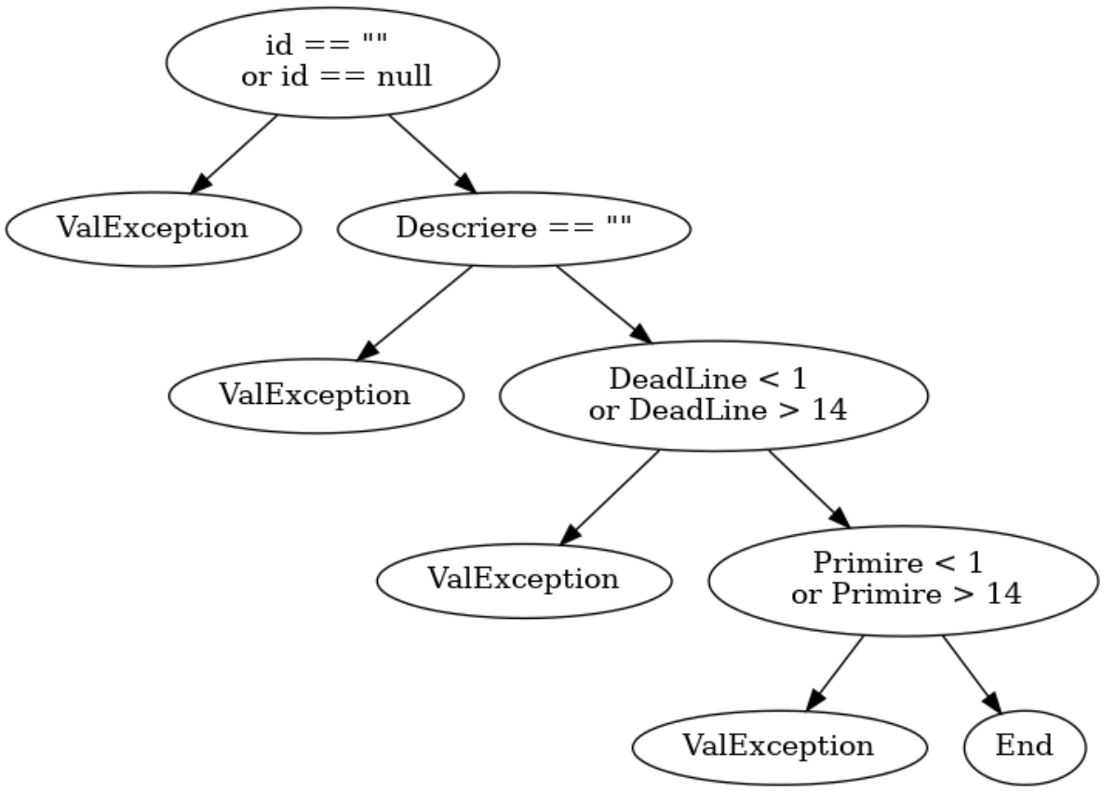
1
3
Individual Paths
1 | 2024-02-01
2 | 1-3-4
2
3 | 1-3-5-6
4 | 1-3-5-7-8
5
5 | 1-3-5-7-9
4
7

6
9
8

